Technical Requirements
Technical Requirements |  | SUPPLIER FEEDBACK (Yes / No) | COMMENTS (If any)
Data Protection | Please provide your DPA with list of sub-processors
 | Do you have a dedicated Data Protection Officer (DPO).
 | What is your data recovery plan? (RPO/RTO) | Yes | Our approach to preventing data loss includes: Site Recovery Service: Facilitating seamless failover of workloads from primary to secondary sites during outages. Backup Service: Safeguarding data with reliable backup and recovery capabilities. These measures, powered by Azure Recovery Services & Backup services, ensure resilience and data integrity, minimizing the risk of data loss. With Azure Site Recovery (ASR), we maintain Recovery Time Objectives (RTO) and Recovery Point Objectives (RPO) within organizational limits. Site Recovery ensures continuous replication for Azure VMs with replication frequencies as low as 30 seconds, ensuring minimal downtime and data loss
 | Please provide a summary of the information security program. | Yes | We are ISO 27001 certified with extended controls ISO/IEC 27017 and ISO/IEC 27018, demonstrating our commitment to information security. In compliance with the General Data Protection Regulation (GDPR), we prioritize data protection and privacy.
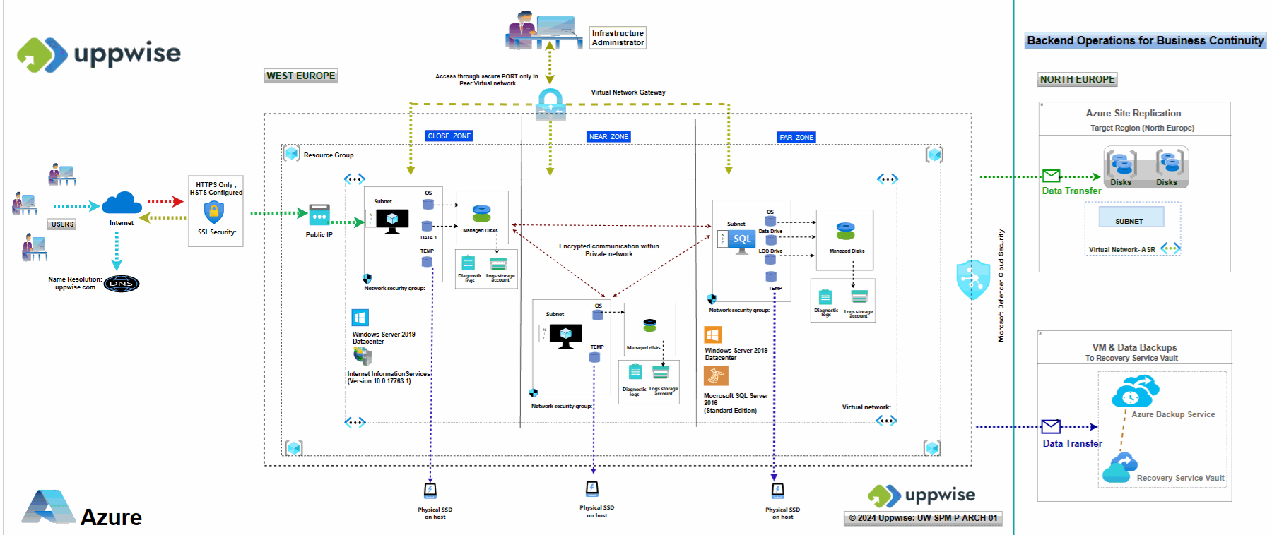
 | Please provide documentation outlining all interfaces including connections accessible over the internet or a private network (e.g. VPN) |  | please refer to the provided architectural diagram, For an overview of the SPM Architecture on Azure: Interfaces, Connections, and UPPWISE Integration
 | Please provide details around how periodic reviews of your information security standards and approach (NSI2) are conducted with contracted external parties | Yes | Compliance Regulatory Tests and Certifications Reviews: Conducted annually to ensure compliance with regulations and certifications standards. Penetration Tests: Annual assessments of security resilience against cyber threats. Disaster Recovery (DR) Tests: Biannual tests to validate the effectiveness of recovery plans in restoring operations post-disruption.
 | API's connecting to third party sites must be • Encrypted in transit • Use an authentication mechanism | Yes | To safeguard data during transit between cloud services and clients, all outbound traffic from our data centers is encrypted. Our solution includes an integrated authorization system that validates users and grants access based on defined permissions for specific data. Our authorization process ensures that only authorized data is processed, mitigating the risk of unauthorized access. We utilize a set of predefined user roles within our policy framework to actively manage user authorization and prevent unauthorized access.
 | Please provide encryption standards used | Yes | The encryption utilizes 256-bit AES encryption, which is one of the strongest block ciphers available, ensuring compliance with FIPS 140-2 standards.
 | Please detail how databases are maintained securely, safely and privately. | Yes | Our data security measures on Azure include encryption, database backups, private encrypted communication within Virtual Networks (VNets), and Microsoft Defender for Cloud on Subscriptions. These combined measures ensure comprehensive protection against threats and vulnerabilities, maintaining our data assets' confidentiality, integrity, and availability.
 | What is your data retention policy ? Requirement: Minimum 3 years How frequent are the backups being performed ? Requirement : minimum a daily backup | Yes | Our data retention policies for Azure VM backups involve performing full VM-level backups once a day and log backups for SQL Server databases every hour. These backups are stored within Azure Recovery Services Vaults, with a retention period of 30 days. This ensures that critical data and configurations are safeguarded, enabling point-in-time recovery for minimizing data loss and maintaining data consistency
IT Security | If SaaS, where are the data centers located? Requirement : Europe. | Yes | Our primary data center is situated in West Europe, serving as the backbone of our operations. Additionally, we have established a failover site in North Europe to ensure continuity in the event of any unforeseen disruptions
 | Can you ensures that the website, tool and phone app are developed and designed according to secure coding standards (eg. OWASP). | Yes
 | Please detail approach to how customers may choose to conduct independent penetration tests. | Yes | an annual penetration tests is performed by external party and we can make it available
 | Please confirm that Software is stored within a version control or software configuration management tool. | Yes
 | Automated source code analysis tool is active to detect security defects in code prior to production. | Yes
 | Please confirm availability of review applications for security vulnerabilities and address any issues prior to deployment to production. | Yes
 | Certifications & Compliance: do you have SOC 2 Type 2 report in place as part of security certification and compliance with GDPR and CCPA regulations? | Yes | We are ISO 27001 certified with extended controls ISO/IEC 27017 and ISO/IEC 27018, demonstrating our commitment to information security. In compliance with the General Data Protection Regulation (GDPR), we prioritize data protection and privacy. Additionally, Uppwise conducts daily reviews of Microsoft Defender for Cloud recommendations to uphold robust security benchmarks and regulatory compliance.
 | End-to-end encryption for data in transit: - Does the provider protect data in transit using TLS/SSL? - Data-in-transit protection between clients and service - Does the provider protect external data in transit using correctly configured certificates? - Industry good practice external certificate configuration | Yes | Our servers exclusively employ TLS 1.2 protocols, utilizing best-practice cipher suites to bolster security. We have disabled all TLS/SSL protocols below TLS 1.2 to mitigate vulnerabilities.TLS offers interoperability, algorithm flexibility, and ease of deployment, enhancing security measures for data transmission. To safeguard data during transit between cloud services and clients, all outbound traffic from our data centers is encrypted. Additionally, HTTPS-only links are enforced across our applications, complemented by secure site SSL certificates. Furthermore, we have configured HTTP Strict Transport Security (HSTS) on our Internet Information Services (IIS) to further enhance security by ensuring secure connections over HTTPS
 | Data-at-rest protection: How does the provider protect our data that’s stored on disk? How is logical separation between customers build? The data should have a minimum of protection, either using virtualization or encryption. | Yes | All managed disks, snapshots, images, and data stored on existing managed disks in Azure are automatically encrypted at rest with platform-managed keys. This encryption utilizes 256-bit AES encryption, which is one of the strongest block ciphers available, ensuring compliance with FIPS 140-2 standards. This transparent encryption provides robust protection for data stored within Azure-managed disks
 | Logging and event collection: Does the provider collect logs of changes, events and actions? Types of logs may include security logs and resource performance logs. Are logs enabled automatically? Is there an additional cost involved? How long are logs available? | Yes | we are maintaining the transaction and the logging, log is kept max for 1 month.
 | Patching for security vulnerabilities: Does the SaaS provider have a patching system and process in place to remediate any publicly reported issues in their services? How does the service provider report on the status of vulnerabilities and patches? What is the frequency, impact, downtime in case of a patching ? In case of impact/downtime, do we have the choice of patching timeframe ? | Yes | Yes, we have a robust patching system and process in place. We prioritize addressing any publicly reported security issues promptly to ensure the integrity and security of our services. Customers are informed promptly when vulnerabilities are identified and patched, typically through email notifications or updates on a dedicated dashboard. Security patching occurs every week or as per specific requirements and urgency. The impact of patching on service availability and functionality is carefully assessed to minimize disruptions. Generally, there is minimal to no downtime associated with patching. However, if downtime is required, it is typically scheduled during off-peak hours or weekends to minimize impact on users. Yes, customers have the option to choose the timeframe for patching.
 | Data deletion policies :Is there any pre-agreed solution for Lhoist data export at the end of the contract. Requirement : Guarantee data will be deleted at contract end. | Yes
 | Does the SaaS provider give clear and transparent details on their product and the implemented security features (i.e. how easy has it been to answer the above questions?) | Yes
Service level agreement | Data Collected to Record Email Metrics: Vendor must be able to provide analytics or engagement metrics with the ability to export results in a csv or exel format
 | Please share your SLA regarding incident response time (including 24/7 support?)
 | Describe your service level agreement commitment for system up-time and explain your commitment if your SLA is not reached.
 | Please provide software/app versions and releases roadmap.
User accessibility | Vendor ensures that the website, tool and application support SSO (SAML) and Multi Factor Authentication. | Yes | For secure access, our solution offers Form-Based Authentication, Multi-Factor Authentication (2FA), and Single Sign-On (SAML) leveraging users' Active Directory credentials. These features enhance security and streamline access management, ensuring secure and convenient access to our services
 | Application must feature fully configurable controls around user management including password length, ageing and recycling. | Yes
 | Contacts Integration: Is your Application able to integrate with Azure AD, AD connect and/or Workday to sync contacts over ? | Yes | Our application is able to connect the Azure AD and AD connect to synch the users, we do not have built in service to synch with workday
 | How do you manage connection for employees without Company email address? | Yes | there is manual user creation is available in admin area of application with form authentication which can be used to create user without or with company email address
 | End-user device compatibility: Provide list of web browsers/versions compatible. | Yes | We support Edge Chromium, Google Chrome, Safari with latest version
 | Does the system have role based access functionality? | Yes
User Community | Is there any User/Developer communities to share experiences, good practices, issues,…? | Yes
Architecture | Detail any required ports and protocols required | No | our application uses Minimum TLS 1.2 with strong ciphers , and HTTPS only
 | API for automatic provisioning from another Lhoist trusted system (Workday, Microsoft) API to export data analytics to Lhoist data Lake (MS Azure) | Yes
 | Is the platform SaaS?, cloud-ready?, on-premise compatible?. If on-premise platform, please provide requirements for the servers (storage, CPU, ram,…). | Yes
 | Are Development/Testing environments available for user testing/training? | Yes
Customizing | How flexible is it for Lhoist IT to customize, adapt the platform to our specific needs ? | Yes | As per the requirement and agreement

Functional Requirements
